Title
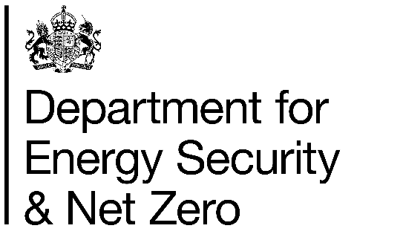
Sub-regional Fuel Poverty in England, 2023
This spreadsheet contains data tables related to sub-regional fuel poverty in England.
Fuel poverty in England is measured using the Low Income Low Energy Efficiency (LILEE) fuel poverty metric.
Household numbers have been applied at sub-regional areas of geography, and constrained to regional totals to ensure that fuel poverty and household numbers at English Region level match published 2023 levels.

Publication Dates
The data tables in this spreadsheet were published at 09:30am Wednesday 30th April.

Data Coverage
Data in this release covers 2023.
Data in this release relates to England only.

Additional information
The Sub-Regional Fuel Poverty Report 2025 (2023 data) is available on the DESNZ website at:
https://www.gov.uk/government/statistics/sub-regional-fuel-poverty-2025-2023-data
More detailed information on the methodology used to model fuel poverty is available on the DESNZ website at:
https://www.gov.uk/government/publications/fuel-poverty-sub-regional-methodology-and-documentation
We welcome feedback on the outputs in this workbook and you can provide this to:
fuelpoverty@energysecurity.gov.uk

